2. Participants
Participants: contribtion, remuneration and payment structure
 |  |  |  |  |  |  | Only change values in the green cells |  |  |  |  |  |  |  |  |  |  |  | Only change values in the green cells |  |  |  | Final token index |  | 2 | £/token | Final token index, at the end of the BP period
1. Participants |  |  | 2. Contribution & remuneration |  |  |  |  | 3. Payment structure |  |  |  |  |  |  |  |  |  |  |  | 4. Tokens
 | Name |  | Contribution type | Amount, £ | Recurring (1/0) | Starting / One-shot month | Total over BP horizon | % |  |  |  | Per month / one shot |  |  |  | Over BP horizon |  |  |  | Risk factor % | Risk per month/on shot,£ | Totak risk over BP horizon,£ | Avg token index, £/token | Tokens issued, # | Token value at horizon, £ | Tokens, % total
 |  |  |  |  |  |  |  | Firm % | Flex % | Credit % | Total % | Firm, £ | Flex, £ | Credit, £ | Total, £ | Firm, £ | Flex, £ | Credit, £ | Total, £

Revenues |  |  |  |  |  |  |  | For revenues: Firm must 100% or more, Flex & Credit must 0% or negative, Total must be 100%
1 | Clients |  |  | 20,000 | 1 | 4 | 420,000 | 100.0% |  | - | 100.0% | 20,000 | - | - | 20,000 | 420,000 | - | - | 420,000 | - | - | - | - | - | - | -
2 |  |  |  |  |  |  | - |  |  | - | - | - | - | - | - | - | - | - | - | - | - | - | - | - | - | -
3 |  |  |  |  |  |  | - |  |  | - | - | - | - | - | - | - | - | - | - | - | - | - | - | - | - | -
 | Total |  |  |  | 20,000 |  | 420,000 | 100.0% | - | - | 100.0% | 20,000 | - | - | 20,000 | 420,000 | - | - | 420,000 | - |  | - | - | - | - | -
Expenses |  |  |  |  |  |  |  | For expenses: Each must be between 0% and 100%, total must be 100%
1 | Rebecca |  |  | -6,000 | 1 | 1 | -144,000 | 16.7% | 50.0% | 33.3% | 100.0% | -1,000 | -3,000 | -2,000 | -6,000 | -24,000 | -72,000 | -48,000 | -144,000 | -52% | 3,113 | 74,717 | 1.25 | 59,712 | 93,300 | 59%
2 | Kate |  |  | -3,000 | 1 | 1 | -72,000 | 40.0% | 40.0% | 20.0% | 100.0% | -1,200 | -1,200 | -600 | -3,000 | -28,800 | -28,800 | -14,400 | -72,000 | -36% | 1,085 | 26,047 | 1.25 | 20,816 | 32,525 | 21%
3 | Andrew |  |  | -3,000 | 1 | 1 | -72,000 | 40.0% | 40.0% | 20.0% | 100.0% | -1,200 | -1,200 | -600 | -3,000 | -28,800 | -28,800 | -14,400 | -72,000 | -36% | 1,085 | 26,047 | 1.25 | 20,816 | 32,525 | 21%
4 | Suppliers |  |  | -2,000 | 1 | 1 | -48,000 | 100.0% |  | - | 100.0% | -2,000 | - | - | -2,000 | -48,000 | - | - | -48,000 | - | - | - | - | - | - | -
5 |  |  |  |  |  |  | - |  |  | - | - | - | - | - | - | - | - | - | - | - | - | - | - | - | - | -
 | Total |  |  |  | -14,000 |  | -336,000 | 39% | 39% | 23% | 100% | -5,400 | -5,400 | -3,200 | -14,000 | -129,600 | -129,600 | -76,800 | -336,000 | -38% |  | 126,810 | 1.25 | 101,344 | 158,350 | 100%
Investments |  |  |  |  |  |  |  | For investments: Firm must be 100%, Flex & Credit must each be between 0% and -100%, Total must be 0%
1 | Rebecca |  |  | 20,000 | - | 1 | 20,000 | -100.0% |  | 100.0% | - | -20,000 | - | 20,000 | - | -20,000 | - | 20,000 | - | -80% | - | - | - | - | - | -
2 |  |  |  |  |  |  | - | - |  | - | - | - | - | - | - | - | - | - | - | - | - | - | - | - | - | -
3 |  |  |  |  |  |  | - | - |  | - | - | - | - | - | - | - | - | - | - | - | - | - | - | - | - | -
 | Total |  |  |  | - |  | 20,000 | -100.0% | - | 100.0% | - | -20,000 | - | 20,000 | - | -20,000 | - | 20,000 | - | - |  | - | - | - | - | -

Total Cashflow over Horizon

 | Revenues |  |  |  | 20,000 |  | 420,000 | 100% | - | - | 100% | 20,000 | - | - | 20,000 | 420,000 | - | - | 420,000 | - | - | - | - | - | - | -
 | Expenses |  |  |  | -14,000 |  | -336,000 | 39% | 39% | 23% | 100% | -5,400 | -5,400 | -3,200 | -14,000 | -129,600 | -129,600 | -76,800 | -336,000 | -38% | - | 126,810 | 1.25 | 101,344 | 158,350 | 100%
 | Investments |  |  |  | - |  | 20,000 | -100% | - | 100% | - | -20,000 | - | 20,000 | - | -20,000 | - | 20,000 | - | - | - | - | - | - | - | -
 | Net Excess Cash |  |  |  | 6,000 |  | 104,000 | 260% | -125% | -55% | 81% | -5,400 | -5,400 | 16,800 | 6,000 | 270,400 | -129,600 | -56,800 | 84,000 |  |  | 126,810 | 1.25 | 101,344 | 158,350 | 100%

 | Refresh this table with Right click on yellow cell > Menu > Refresh |  |  |  |  |  |  |  |  |  |  | Firm, £ | Flex, £ | Credit, £ | Total, £
 | Participant |  |  |  | 6,000 |  | 104,000
1 | Clients |  |  |  | 20,000 |  | 420,000 |  |  |  |  | 20,000 | - | -
2 | Rebecca |  |  |  | -6,000 |  | -124,000 |  |  |  |  | -1,000 | -3,000 | -2,000
3 | Kate |  |  |  | -3,000 |  | -72,000 |  |  |  |  | -1,200 | -1,200 | -600
4 | Andrew |  |  |  | -3,000 |  | -72,000 |  |  |  |  | -1,200 | -1,200 | -600
5 | Suppliers |  |  |  | -2,000 |  | -48,000 |  |  |  |  | -2,000 | - | -
6 |  |  |  |  | - |  | - |  |  |  |  | - | - | -
7 |  |  |  |  | - |  | - |  |  |  |  | - | - | -

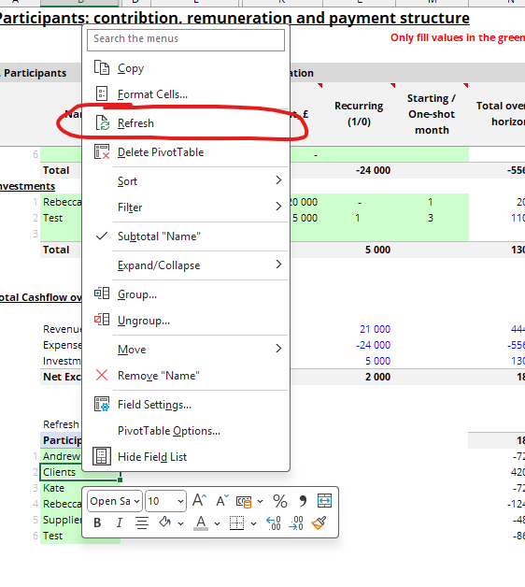

 |  | ²

